Sheet1
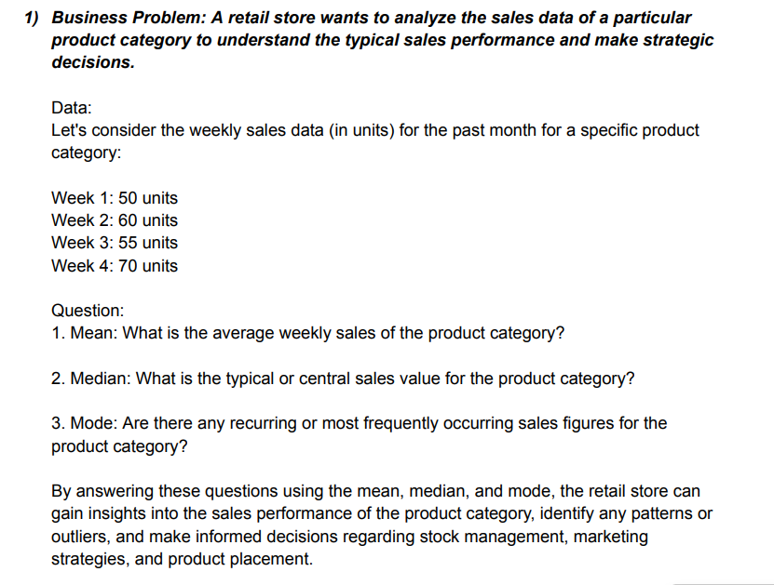
Questions on measure of central tendency
week 1 | 50
week 2 | 60
week 3 | 55
week 4 | 70
Mean | 58.75

Median | 57.5

Mode | NA

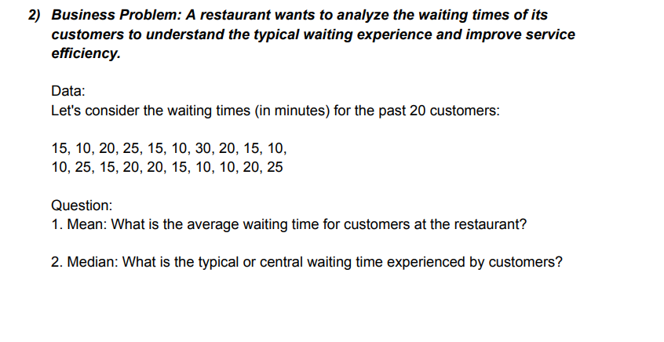
Waiting times for the past 20 customers
 |  | 15
 |  | 10
 |  | 20
 |  | 25
 |  | 15
 |  | 10
 |  | 30
 |  | 20
 |  | 15
 |  | 10
 |  | 10
 |  | 25
 |  | 15
 |  | 20
 |  | 20
 |  | 15
 |  | 10
 |  | 10
 |  | 20
 |  | 25

Mean |  | 17

Median |  | 15

Mode |  | 10

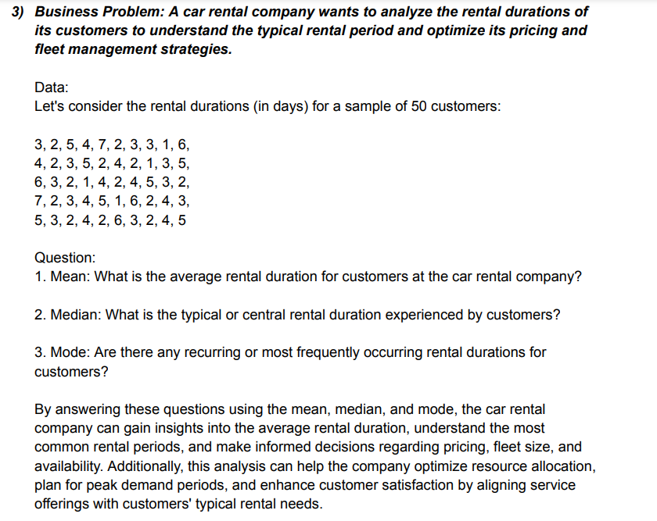

The rental durations for a sample of 50 customers.
 |  | 3
 |  | 2
 |  | 5
 |  | 4
 |  | 7
 |  | 2
 |  | 3
 |  | 3
 |  | 1
 |  | 6
 |  | 4
 |  | 2
 |  | 3
 |  | 5
 |  | 2
 |  | 4
 |  | 2
 |  | 1
 |  | 3
 |  | 5
 |  | 6
 |  | 3
 |  | 2
 |  | 1
 |  | 4
 |  | 2
 |  | 4
 |  | 5
 |  | 3
 |  | 2
 |  | 7
 |  | 2
 |  | 3
 |  | 4
 |  | 5
 |  | 1
 |  | 6
 |  | 2
 |  | 4
 |  | 3
 |  | 5
 |  | 3
 |  | 2
 |  | 4
 |  | 2
 |  | 6
 |  | 3
 |  | 2
 |  | 4
 |  | 5

Mean |  | 3.44

Median |  | 3

Mode |  | 2

Sheet2
 |  |  |  | Questions on measure of dispersion

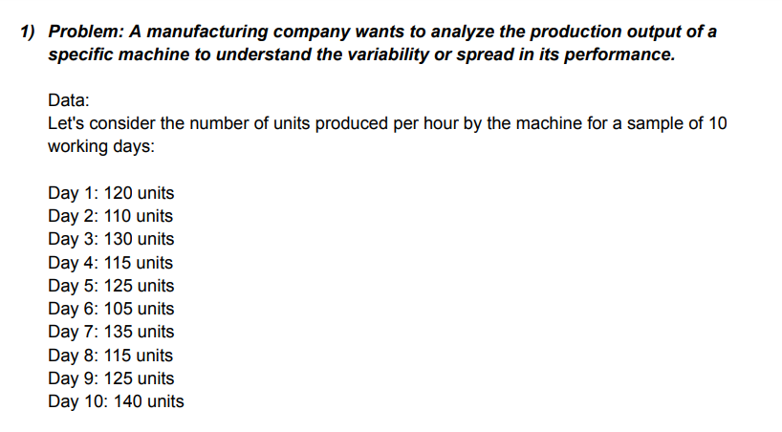
1)The number of units produced per hour by the machine for a sample of 10 working days.

 |  | Day 1 | 120
 |  | Day 2 | 110 |  | q1 | 113.75
 |  | Day 3 | 130 |  | q3 | 131.25
 |  | Day 4 | 115 |  | IQR | 17.5
 |  | Day 5 | 125
 |  | Day 6 | 105
 |  | Day 7 | 135
 |  | Day 8 | 115
 |  | Day 9 | 125
 |  | Day 10 | 140

 | Min |  | 105
 | Max |  | 140

 | Range |  | 35

 | variance |  | 123.33333333

 | Standard deviation |  | 11.105554166

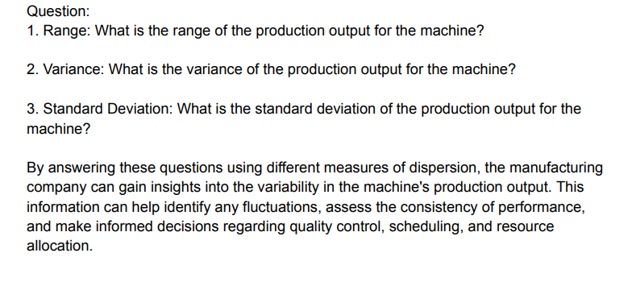

2)The daily sales for the past 30 days.

 |  | 500
 |  | 700 |  |  | Q1 | 500
 |  | 400 |  |  | Q3 | 700
 |  | 600 |  |  | IQR | 200
 |  | 550
 |  | 750
 |  | 650
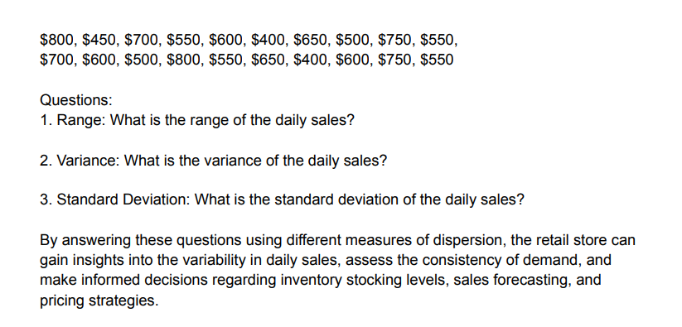
 |  | 500
 |  | 600
 |  | 550
 |  | 800
 |  | 450
 |  | 700
 |  | 550
 |  | 600
 |  | 400
 |  | 650
 |  | 500
 |  | 750
 |  | 550
 |  | 700
 |  | 600
 |  | 500
 |  | 800
 |  | 550
 |  | 650
 |  | 400
 |  | 600
 |  | 750
 |  | 550

Min |  | 400
Max |  | 800

 | Range | 400

 | variance | 13163.793103

 | Standard deviation | 114.73357444

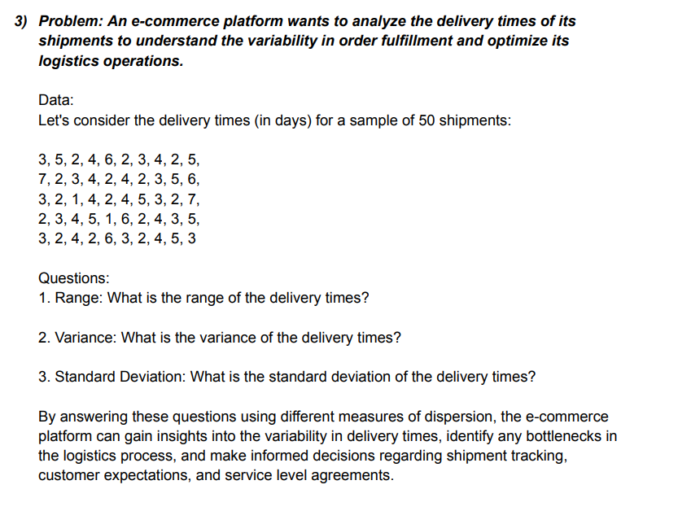
 | 3)The delivery times for a sample of 50 shipments.

 |  |  | 3
 |  |  | 5
 |  |  | 2
 |  |  | 4
 |  |  | 6
 |  |  | 2
 |  |  | 3
 |  |  | 4 |  | Q1 | 2
 |  |  | 2 |  | Q3 | 4.25
 |  |  | 5 |  | IQR | 2.25
 |  |  | 7
 |  |  | 2
 |  |  | 3
 |  |  | 4
 |  |  | 2
 |  |  | 4
 |  |  | 2
 |  |  | 3
 |  |  | 5
 |  |  | 6
 |  |  | 3
 |  |  | 2
 |  |  | 1
 |  |  | 4
 |  |  | 2
 |  |  | 4
 |  |  | 5
 |  |  | 3
 |  |  | 2
 |  |  | 7
 |  |  | 2
 |  |  | 3
 |  |  | 4
 |  |  | 5
 |  |  | 1
 |  |  | 6
 |  |  | 2
 |  |  | 4
 |  |  | 3
 |  |  | 2
 |  |  | 3
 |  |  | 2
 |  |  | 4
 |  |  | 2
 |  |  | 6
 |  |  | 3
 |  |  | 2
 |  |  | 4
 |  |  | 5
 |  |  | 3

 |  | min | 1

 |  | max | 7

 |  | range | 6

 |  | variance | 2.3351020408

 |  | standard deviation | 1.5281040674

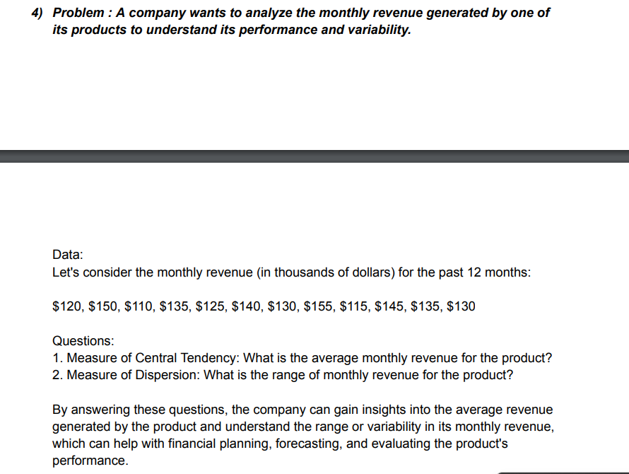
4)The monthly revenue for the past 12 months

 |  | 120
 |  | 150
 |  | 110
 |  | 135
 |  | 125
 |  | 140
 |  | 130
 |  | 155
 |  | 115
 |  | 145
 |  | 135
 |  | 130

Measure of central tendency

 | mean | 132.5
 | meadian | 132.5
 | mode | 135

Measure of dispersion

 | varience | 188.63636364
 | standard deviation | 13.734495391

 | range
 | Q1 | 123.75
 | Q2 | 141.25
 | IQR | 17.5

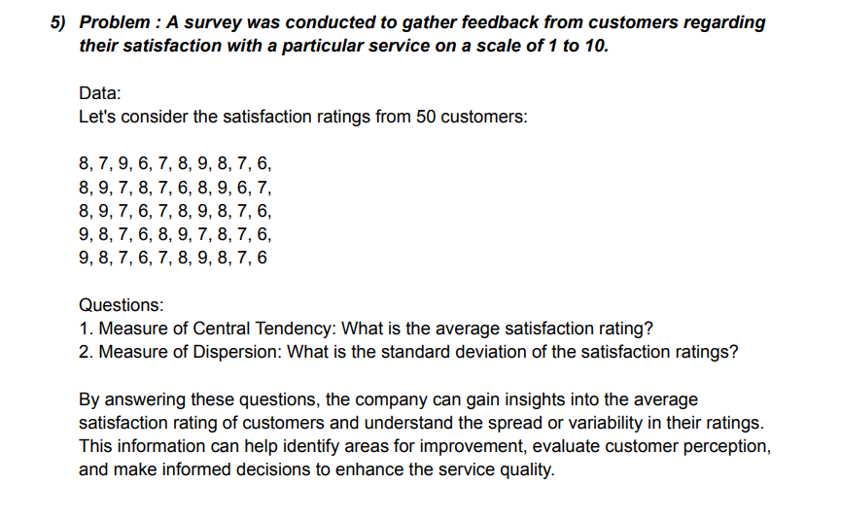
5) The satisfaction ratings from 50 customers.

8 | 7 | 9 | 6 | 7 | 8 | 9 | 8 | 7 | 6
8 | 9 | 7 | 8 | 7 | 6 | 8 | 9 | 6 | 7
8 | 9 | 7 | 6 | 7 | 8 | 9 | 8 | 7 | 6
9 | 8 | 7 | 6 | 8 | 9 | 7 | 8 | 7 | 6
9 | 8 | 7 | 6 | 7 | 8 | 9 | 8 | 7 | 6

Measure of Central Tendency

 | mean | 7.5

 | median | 7.5

 | mode | 8

Measure of Dispersion

 | standard deviation |  | 1.035098339

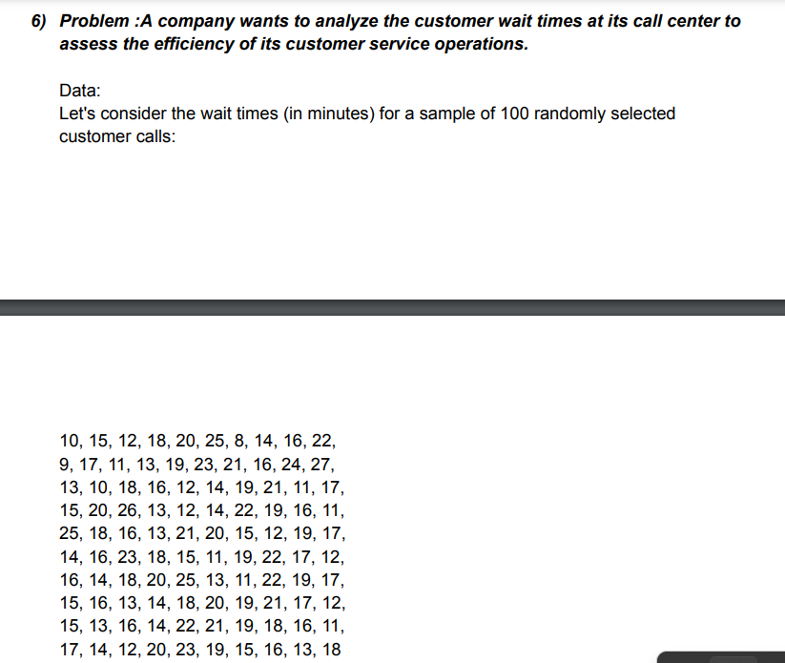
6) The wait time for a sample of 100 randomly selected customer calls.

10 | 15 | 12 | 18 | 20 | 25 | 8 | 14 | 16 | 22
9 | 17 | 11 | 13 | 19 | 23 | 21 | 16 | 24 | 27
13 | 10 | 18 | 16 | 12 | 14 | 19 | 21 | 11 | 17
15 | 20 | 26 | 13 | 12 | 14 | 22 | 19 | 16 | 11
25 | 18 | 16 | 13 | 21 | 20 | 15 | 12 | 19 | 17
14 | 16 | 23 | 18 | 15 | 11 | 19 | 22 | 17 | 12
16 | 14 | 18 | 20 | 25 | 13 | 11 | 22 | 19 | 17
15 | 16 | 13 | 14 | 18 | 20 | 19 | 21 | 17 | 12
15 | 13 | 16 | 14 | 22 | 21 | 19 | 18 | 16 | 11
17 | 14 | 12 | 20 | 23 | 19 | 15 | 16 | 13 | 18

Measure of central tendency

 | mean | 16.74
 | median | 16
 | mode | 16

Measure of dispersion

 | Q1 | 13.75
 | Q3 | 19.25
 | Iqr | 5.5

Standard deviation |  | 4.1429506881

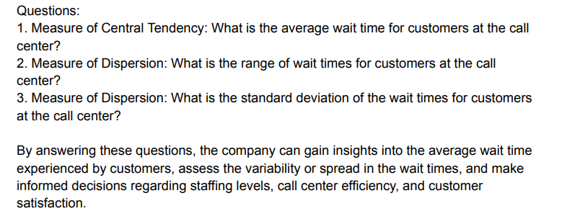

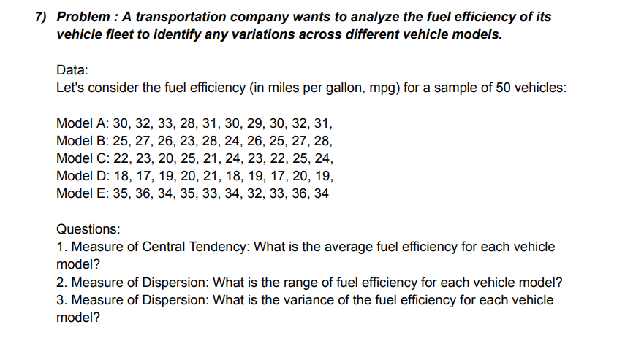
7) The fuel efficiency for a sample of 50 vehicles.

Model A | 30 | 32 | 33 | 28 | 31 | 30 | 29 | 30 | 32 | 31
Model B | 25 | 27 | 26 | 23 | 28 | 24 | 26 | 25 | 27 | 28
Model C | 22 | 23 | 20 | 25 | 21 | 24 | 23 | 22 | 25 | 24
Model D | 18 | 17 | 19 | 20 | 21 | 18 | 19 | 17 | 20 | 19
Model E | 35 | 36 | 34 | 35 | 33 | 34 | 32 | 33 | 36 | 34

Measure of central tendency

 | Mean | 26.48

Measure of Dispersion

 | Range

 | Q1 | 22
 | Q3 | 31.75
 | IQR | 9.75

 | Variance | 32.417959184

Sheet3
More Statistics Questions
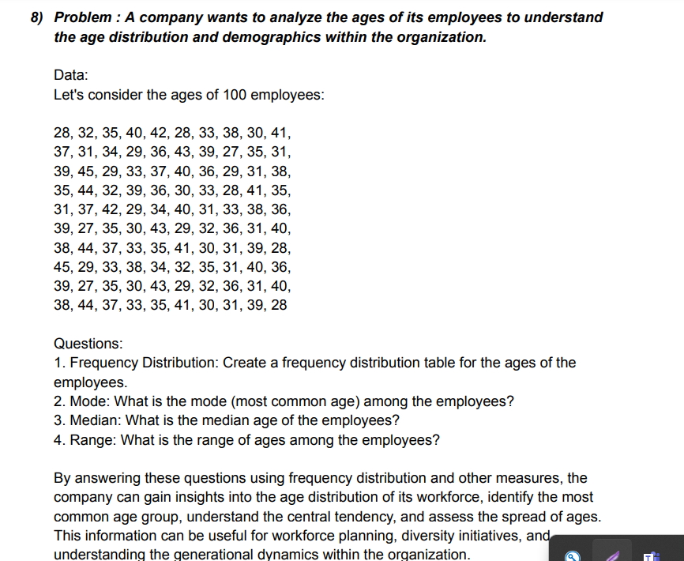
8) The age of 100 employees

28 | 32 | 35 | 40 | 42 | 28 | 33 | 38 | 30 | 41
37 | 31 | 34 | 29 | 36 | 43 | 39 | 27 | 35 | 31
39 | 45 | 29 | 33 | 37 | 40 | 36 | 29 | 31 | 38
35 | 44 | 32 | 39 | 36 | 30 | 33 | 28 | 41 | 35
31 | 37 | 42 | 29 | 34 | 40 | 31 | 33 | 38 | 36
39 | 27 | 35 | 30 | 43 | 29 | 32 | 36 | 31 | 40
38 | 44 | 37 | 33 | 35 | 41 | 30 | 31 | 39 | 28
45 | 29 | 33 | 38 | 34 | 32 | 35 | 31 | 40 | 36
39 | 27 | 35 | 30 | 43 | 29 | 32 | 36 | 31 | 40
38 | 44 | 37 | 33 | 35 | 41 | 30 | 31 | 39 | 28

Mode | 31

Median | 35

Range

Q1 | 31
Q2 | 39
IQR | 8

Frequency distribution table
 |  |  |  |  | range of ages | frequency
 | max | 45 |  |  | 25-30 | 21
 | min | 27 |  |  | 30-35 | 36
 |  |  |  |  | 35-40 | 33
 |  |  |  |  | 40-45 | 14

9) The purchase amounts for a sample of 50 customers.

56 | 40 | 28 | 73 | 52 | 61 | 35 | 40 | 47 | 65
52 | 44 | 38 | 60 | 56 | 40 | 36 | 49 | 68 | 57
52 | 63 | 41 | 48 | 55 | 42 | 39 | 58 | 62 | 49
59 | 45 | 47 | 51 | 65 | 41 | 48 | 55 | 42 | 39
58 | 62 | 49 | 59 | 45 | 47 | 51 | 65 | 43 | 58
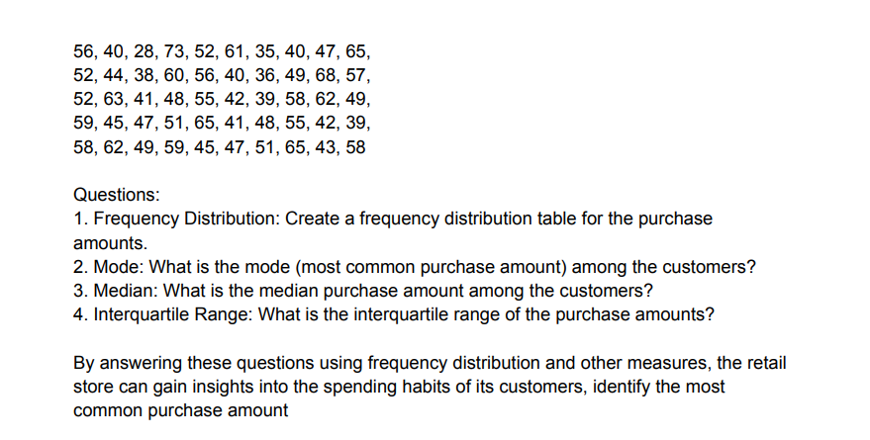

Frequency distribution table
 |  |  |  | Range of purchase amount |  | Frequency
Min | 28 |  |  | 25-35 |  | 2
Max | 73 |  |  | 35-45 |  | 13
 |  |  |  | 45-55 |  | 13
 |  |  |  | 55-65 |  | 8
 |  |  |  | 65-75 |  | 1

Mode | 40

Median | 50

Q1 | 42.25
Q3 | 58
IQR | 15.75

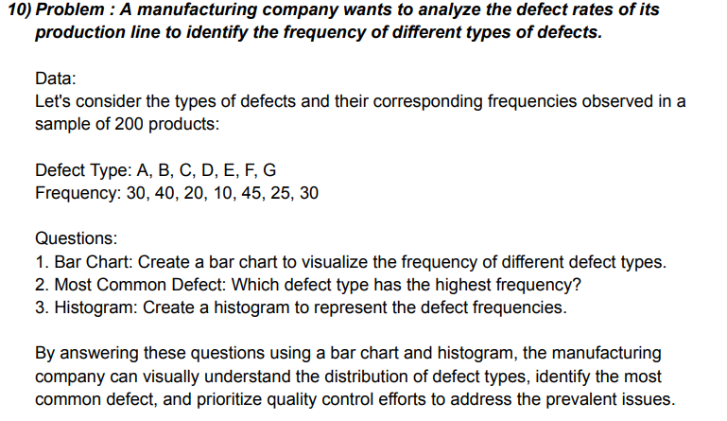
10) corresponding frequencies observed in a sample of 200 products

data types | frequency
A | 30
B | 40
C | 20
D | 10
E | 45
F | 25
G | 30

 | Bar Chart

 | histogram

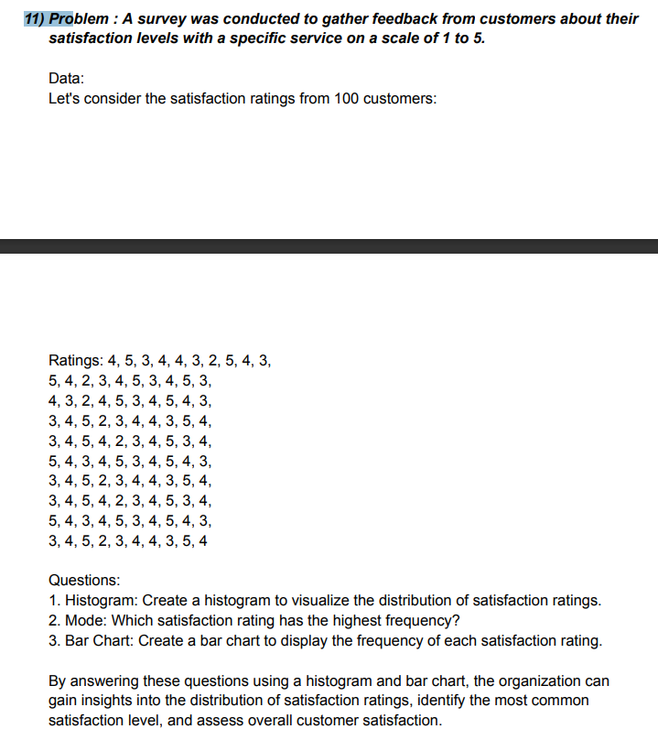
11) consider the statisfaction rating from 100 customers

 |  | ratings
4 | 5 | 4 | 3 | 3 | 5 | 3 | 3 | 5 | 3
5 | 4 | 3 | 4 | 4 | 4 | 4 | 4 | 4 | 4
3 | 2 | 2 | 5 | 5 | 3 | 5 | 5 | 3 | 5
4 | 3 | 4 | 2 | 4 | 4 | 2 | 4 | 4 | 2
4 | 4 | 5 | 3 | 2 | 5 | 3 | 2 | 5 | 3
3 | 5 | 3 | 4 | 3 | 3 | 4 | 3 | 3 | 4
2 | 3 | 4 | 4 | 4 | 4 | 4 | 4 | 4 | 4
5 | 4 | 5 | 3 | 5 | 5 | 3 | 5 | 5 | 3
4 | 5 | 4 | 5 | 3 | 4 | 5 | 3 | 4 | 5
3 | 3 | 3 | 4 | 4 | 3 | 4 | 4 | 3 | 4

 | histogram

 | mode = | 4

BAR CHART
 | 4 | 5 | 3 | 4 | 4 | 3 | 2 | 5 | 4 | 3
 | 5 | 4 | 2 | 3 | 4 | 5 | 3 | 4 | 5 | 3
 | 4 | 3 | 2 | 4 | 5 | 3 | 4 | 5 | 4 | 3
 | 3 | 4 | 5 | 2 | 3 | 4 | 4 | 3 | 5 | 4
 | 3 | 4 | 5 | 4 | 2 | 3 | 4 | 5 | 3 | 4
 | 5 | 4 | 3 | 4 | 5 | 3 | 4 | 5 | 4 | 3
 | 3 | 4 | 5 | 2 | 3 | 4 | 4 | 3 | 5 | 4
 | 3 | 4 | 5 | 4 | 2 | 3 | 4 | 5 | 3 | 4
 | 5 | 4 | 3 | 4 | 5 | 3 | 4 | 5 | 4 | 3
 | 3 | 4 | 5 | 2 | 3 | 4 | 4 | 3 | 5 | 4
 | Bar Chart

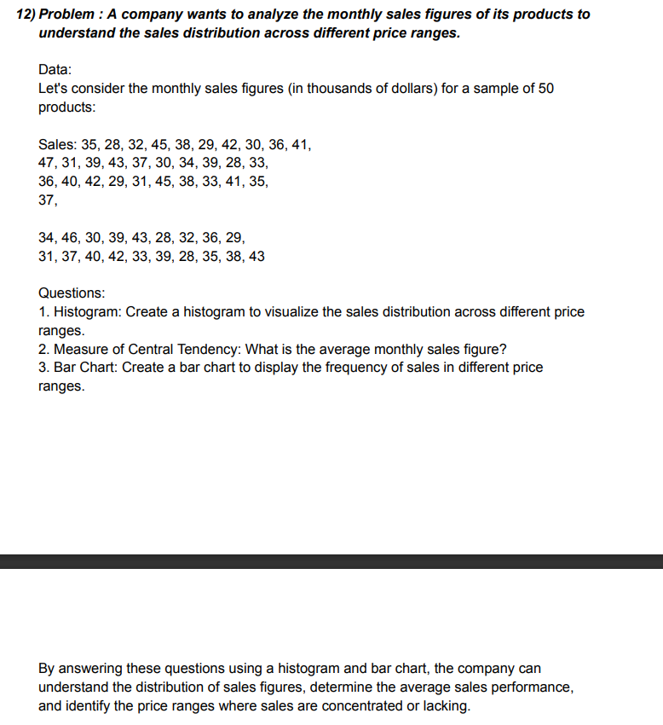
12) the monthly sales figures (in thousands of dollars ) for a sample of 50 products

 |  |  | sales
35 | 47 | 36 | 37 | 31
28 | 31 | 40 | 34 | 37
32 | 39 | 42 | 46 | 40
45 | 43 | 29 | 30 | 42
38 | 37 | 31 | 39 | 33
29 | 30 | 45 | 43 | 39
42 | 34 | 38 | 28 | 28
30 | 39 | 33 | 32 | 35
36 | 28 | 41 | 36 | 38
41 | 33 | 35 | 29 | 43

 | histogram

 | Measure of central tendency = |  |  | mean | 36.14

 |  |  |  | Median | 36

 |  |  |  | MODE | 33

BAR CHART
 | 35 | 47 | 36 | 37 | 31
 | 28 | 31 | 40 | 34 | 37
 | 32 | 39 | 42 | 46 | 40
 | 45 | 43 | 29 | 30 | 42
 | 38 | 37 | 31 | 39 | 33
 | 29 | 30 | 45 | 43 | 39
 | 42 | 34 | 38 | 28 | 28
 | 30 | 39 | 33 | 32 | 35
 | 36 | 28 | 41 | 36 | 38
 | 41 | 33 | 35 | 29 | 43
 | Bar Chart

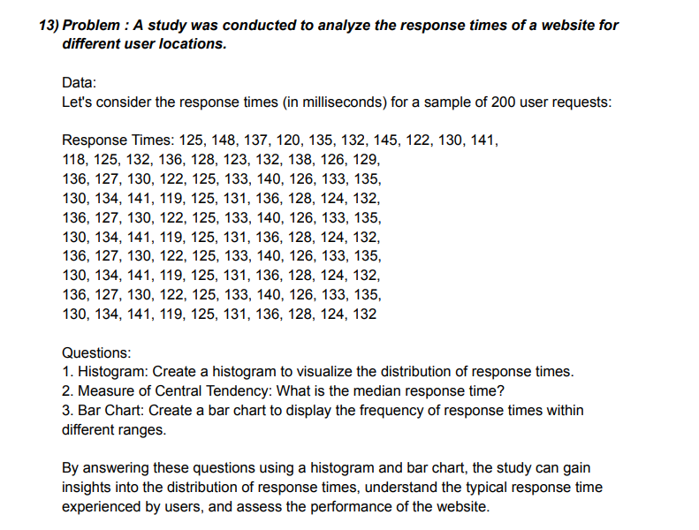
13 ) CONSIDER THE RESPONSE TIMEE (IN MILLISECONDS ) FOR A SAMPLE OF 200 USER REQUESTS

 |  |  |  | Responses time
125 | 118 | 136 | 130 | 136 | 130 | 136 | 130 | 136 | 130
148 | 125 | 127 | 134 | 127 | 134 | 127 | 134 | 127 | 134
137 | 132 | 130 | 141 | 130 | 141 | 130 | 141 | 130 | 141
120 | 136 | 122 | 119 | 122 | 119 | 122 | 119 | 122 | 119
135 | 128 | 125 | 125 | 125 | 125 | 125 | 125 | 125 | 125
132 | 123 | 133 | 131 | 133 | 131 | 133 | 131 | 133 | 131
145 | 132 | 140 | 136 | 140 | 136 | 140 | 136 | 140 | 136
122 | 138 | 126 | 128 | 126 | 128 | 126 | 128 | 126 | 128
130 | 126 | 133 | 124 | 133 | 124 | 133 | 124 | 133 | 124
141 | 129 | 135 | 132 | 135 | 132 | 135 | 132 | 135 | 132

 | Histogram

 | Measure of central tendency = |  |  | mean | 130.5

 |  |  |  | Median | 130.5

 |  |  |  | Mode | 125

 | 125 | 118 | 136 | 130 | 136 | 130 | 136 | 130 | 136 | 130
 | 148 | 125 | 127 | 134 | 127 | 134 | 127 | 134 | 127 | 134
 | 137 | 132 | 130 | 141 | 130 | 141 | 130 | 141 | 130 | 141
 | 120 | 136 | 122 | 119 | 122 | 119 | 122 | 119 | 122 | 119
 | 135 | 128 | 125 | 125 | 125 | 125 | 125 | 125 | 125 | 125
 | 132 | 123 | 133 | 131 | 133 | 131 | 133 | 131 | 133 | 131
 | 145 | 132 | 140 | 136 | 140 | 136 | 140 | 136 | 140 | 136
 | 122 | 138 | 126 | 128 | 126 | 128 | 126 | 128 | 126 | 128
 | 130 | 126 | 133 | 124 | 133 | 124 | 133 | 124 | 133 | 124
 | 141 | 129 | 135 | 132 | 135 | 132 | 135 | 132 | 135 | 132
 | Bar Chart

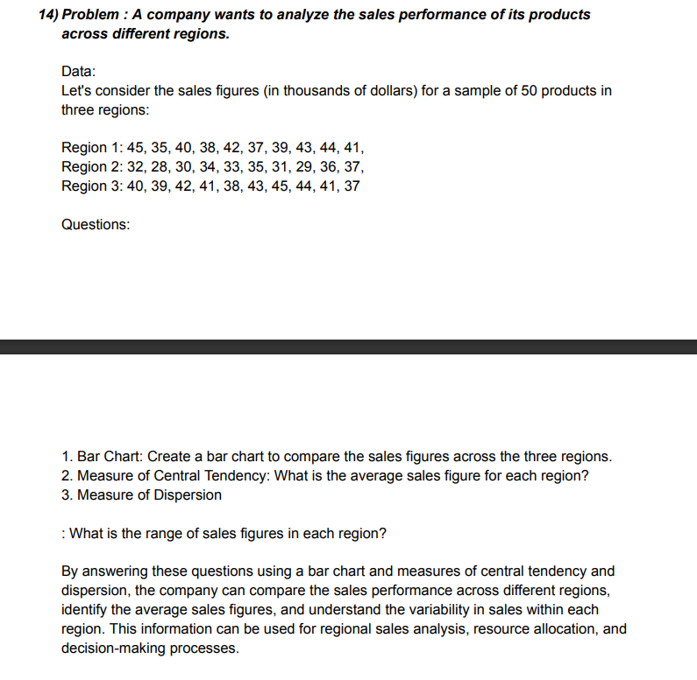
14) THE SALES FIGURES 9in THOUSANDS OF DOLLARS ) FOR A SAMPLE OF 50 PRODUCTS IN THRESS REGIONS

REGIONS 1 | REGIONS 2 | REGIONS 3
45 | 32 | 40
35 | 28 | 39
40 | 30 | 42
38 | 34 | 41
42 | 33 | 38
37 | 35 | 43
39 | 31 | 45
43 | 29 | 44
44 | 36 | 41
41 | 37 | 37

BAR CHART
 | 45 | 32 | 40
 | 35 | 28 | 39
 | 40 | 30 | 42
 | 38 | 34 | 41
 | 42 | 33 | 38
 | 37 | 35 | 43
 | 39 | 31 | 45
 | 43 | 29 | 44
 | 44 | 36 | 41
 | 41 | 37 | 37
 | Bar Chart

 | Measure of central tendency = |  |  | mean | 37.966666667

 |  |  |  | Median | 38.5

 |  |  |  | MODE | 37

 | measure of Dispersion |  |  | min | 28

 |  |  |  | max | 45

 |  |  |  | Range | 17

 |  |  |  | Variance | 23.61954023

 |  |  |  | Std dev | 4.8599938508

Sheet4
Questions on Percentile and Quartiles
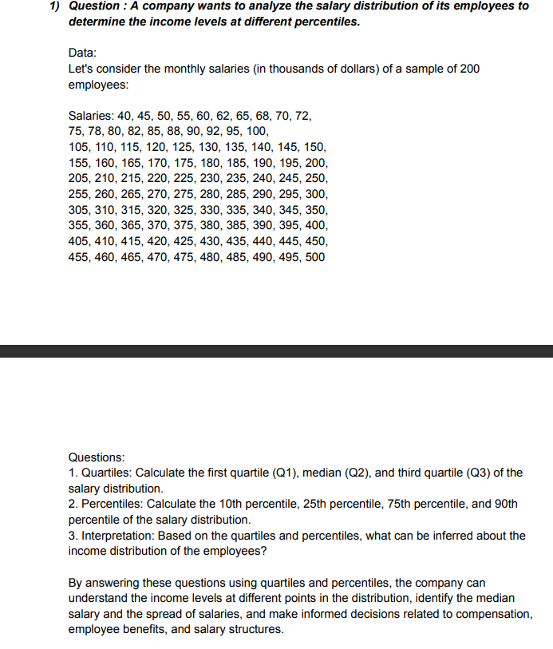
1) the monthly salaries (in thousands of dollars ) of a sample of 200 employees

salaries
40 | 75 | 105 | 155 | 205 | 305 | 355 | 405 | 455
45 | 78 | 110 | 160 | 210 | 310 | 360 | 410 | 460
50 | 80 | 115 | 165 | 215 | 315 | 365 | 415 | 465
55 | 82 | 120 | 170 | 220 | 320 | 370 | 420 | 470
60 | 85 | 125 | 175 | 225 | 325 | 375 | 425 | 475
62 | 88 | 130 | 180 | 230 | 330 | 380 | 430 | 480
65 | 90 | 135 | 185 | 235 | 335 | 385 | 435 | 485
68 | 92 | 140 | 190 | 240 | 340 | 390 | 440 | 4900
70 | 95 | 145 | 195 | 245 | 345 | 395 | 445 | 495
72 | 100 | 150 | 200 | 250 | 350 | 400 | 450 | 500

 | 1.. Quartiles | Q1 | 113.75

 |  | Q2 | 227.5

 |  | Q3 | 391.25

 | 2..Percentile | 10 percentile | 70.2

 |  | 25 percentile | 113.75

 |  | 75 percentile | 391.25

 |  | 90 percentile | 459.5

 | 3. .Interpretation

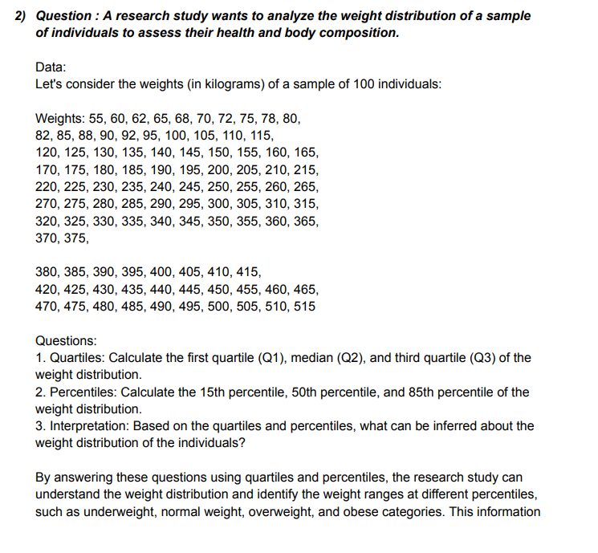
2) the weight in kilograms of a sample of 100 indivuals

weight
55 | 82 | 120 | 170 | 220 | 270 | 320 | 370 | 420 | 470
60 | 85 | 125 | 175 | 225 | 275 | 325 | 375 | 425 | 475
62 | 88 | 130 | 180 | 230 | 280 | 330 | 380 | 430 | 480
65 | 90 | 135 | 185 | 235 | 285 | 335 | 385 | 435 | 485
68 | 92 | 140 | 190 | 240 | 20 | 340 | 390 | 440 | 490
70 | 95 | 145 | 195 | 245 | 295 | 345 | 395 | 445 | 495
72 | 100 | 150 | 200 | 250 | 300 | 350 | 400 | 450 | 500
75 | 105 | 155 | 205 | 255 | 305 | 355 | 405 | 455 | 505
78 | 110 | 160 | 210 | 260 | 310 | 360 | 410 | 460 | 510
80 | 115 | 165 | 215 | 265 | 315 | 365 | 415 | 465 | 515

 | 1.. Quartiles | Q1 | 136.25

 |  | Q2 | 262.5

 |  | Q3 | 393.75

 | 2..Percentile | 15Percentiles | 90.3

 |  | 50Percentiles | 262.5

 |  | 85Percentiles | 444.25

 | 3..Interpretation

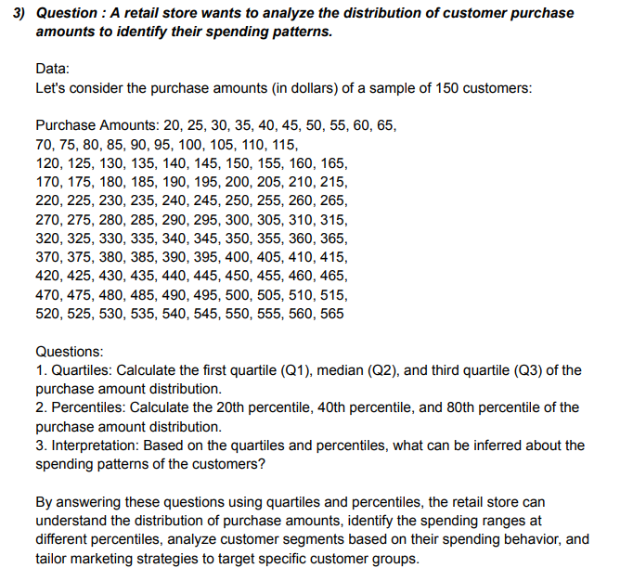
3 ) the purchase amounts (in dollars) of a sample of 150 coutomers

purchase amounts
25 | 70 | 120 | 170 | 220 | 270 | 320 | 370 | 420 | 470 | 520
25 | 75 | 125 | 175 | 225 | 275 | 325 | 375 | 425 | 475 | 525
30 | 80 | 130 | 180 | 230 | 280 | 330 | 380 | 430 | 480 | 530
35 | 85 | 135 | 185 | 235 | 285 | 335 | 385 | 435 | 485 | 535
40 | 90 | 140 | 190 | 240 | 290 | 340 | 390 | 440 | 490 | 540
45 | 95 | 145 | 195 | 245 | 295 | 345 | 395 | 445 | 495 | 545
50 | 100 | 150 | 200 | 250 | 300 | 350 | 400 | 450 | 500 | 550
55 | 105 | 155 | 205 | 255 | 305 | 355 | 405 | 455 | 505 | 555
60 | 110 | 160 | 210 | 260 | 310 | 360 | 410 | 460 | 510 | 560
65 | 115 | 165 | 215 | 265 | 315 | 365 | 415 | 465 | 515 | 565

 | 1.. Quartiles | Q1 | 153.75

 |  | Q2 | 292.5

 |  | Q3 | 431.25

 | 2..Percentiles | 20 Percentiles | 126

 |  | 40 Percentiles | 237

 |  | 80 Percentiles | 459

 | 3..Interpretation

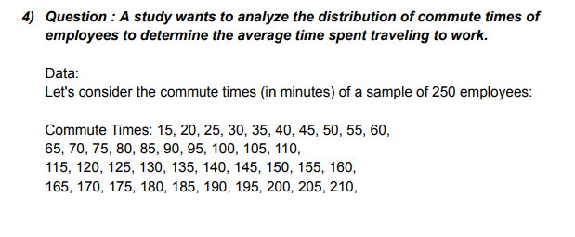

4 ) the commute times (in minutes) of a sample of 250 employees

commute times
15 | 65 | 120 | 175 | 230 | 285 | 340 | 395 | 450 | 505 | 560
25 | 70 | 125 | 180 | 235 | 290 | 345 | 400 | 455 | 510 | 565
25 | 75 | 130 | 185 | 240 | 295 | 350 | 405 | 460 | 515 | 570
25 | 80 | 135 | 190 | 245 | 300 | 355 | 410 | 465 | 520 | 575
30 | 85 | 140 | 195 | 250 | 305 | 360 | 415 | 470 | 525 | 580
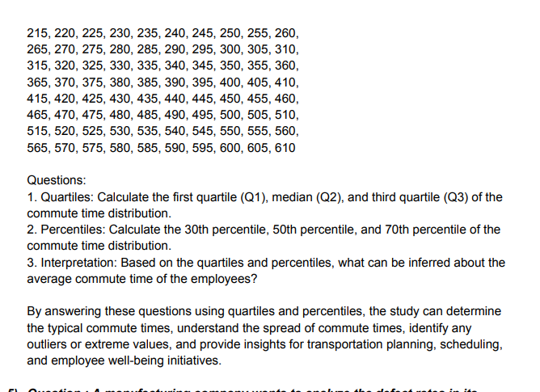
35 | 90 | 145 | 200 | 255 | 310 | 365 | 420 | 475 | 530 | 585
40 | 95 | 150 | 205 | 260 | 315 | 370 | 425 | 480 | 535 | 590
45 | 100 | 155 | 210 | 265 | 320 | 375 | 430 | 485 | 540 | 595
50 | 105 | 160 | 215 | 270 | 325 | 380 | 435 | 490 | 545 | 600
55 | 110 | 165 | 220 | 275 | 330 | 385 | 440 | 495 | 550 | 605
60 | 115 | 170 | 225 | 280 | 335 | 390 | 445 | 500 | 555 | 610

 | 1.. Quartiles | Q1 | 157.5

 |  | Q2 | 310

 |  | Q3 | 462.5

 | 2..Percentiles | 30 Percentiles | 188

 |  | 50 Percentiles | 310

 |  | 70 Percentiles | 432

 | 3..Interpretation

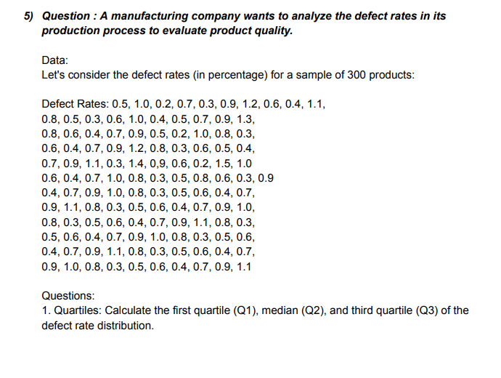
5 ) THE DEFECT RATES ( IN PERCENTAGE ) FPR A SAMPLE OF 300 PRODUCTS

defect rates
0.5 | 0.5 | 0.6 | 0.4 | 0.9 | 0.4 | 1.1 | 0.3 | 0.6 | 0.7 | 1
1 | 0.3 | 0.4 | 0.7 | 1.1 | 0.7 | 0.8 | 0.5 | 0.4 | 0.9 | 0.8
0.2 | 0.6 | 0.7 | 0.9 | 0.3 | 1 | 0.3 | 0.6 | 0.7 | 1.1 | 0.9
0.7 | 1 | 0.9 | 1.2 | 1.4 | 0.8 | 0.5 | 0.4 | 0.9 | 0.8 | 0.5
0.3 | 0.4 | 0.5 | 0.8 | 0.9 | 0.9 | 0.6 | 0.7 | 1 | 0.3 | 0.6
0.9 | 0.5 | 0.2 | 0.3 | 0.6 | 0.5 | 0.4 | 0.9 | 0.8 | 0.5 | 0.4
0.6 | 0.7 | 1 | 0.6 | 0.2 | 0.6 | 0.7 | 1.1 | 0.3 | 0.6 | 0.7
0.4 | 0.9 | 0.8 | 0.5 | 1.5 | 0.4 | 0.9 | 0.8 | 0.5 | 0.4 | 0.9
1.1 | 1.3 | 0.3 | 0.4 | 1 | 0.7 | 1 | 0.3 | 0.6 | 0.7 | 1.1
0.8 | 0.8 | 0.6 | 0.7 | 0.6 | 0.9 | 0.8 | 0.5 | 0.4 | 0.9 | 0.9

 | 1.. Quartiles | Q1 | 0.5

 |  | Q2 | 0.7

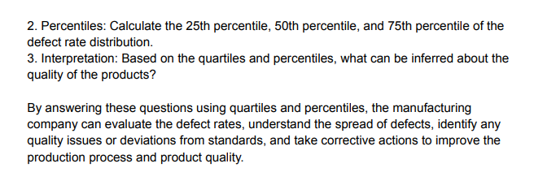
 |  | Q3 | 0.9

 | 2..Percentiles | 25 Percentiles | 0.5

 |  | 50 Percentiles | 0.7

 |  | 75 Percentiles | 0.9

 | 3..Interpretation

Sheet5
 |  |  | Questions on Confidence Interval and Hypothesis Testings

Confidence Interval Problems:
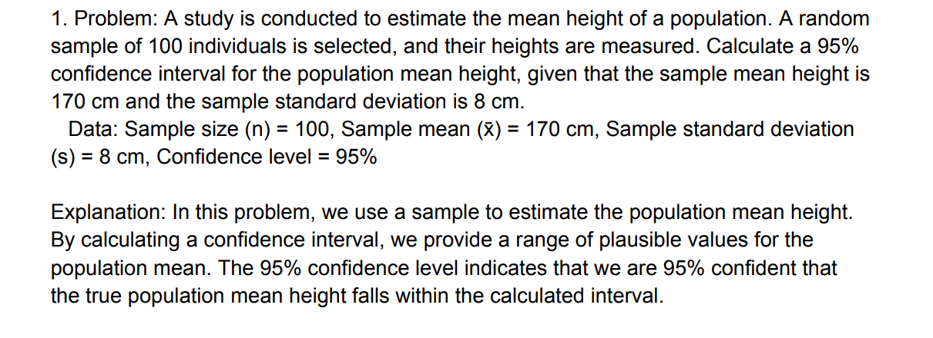

 | sample size (n) | 100
 | sample mean | 170cm
 | sample standard deviation (s) | 8cm
 | confidance level | 95%

 | lower limit | 168.43202881
 | upper limit | 171.56797119

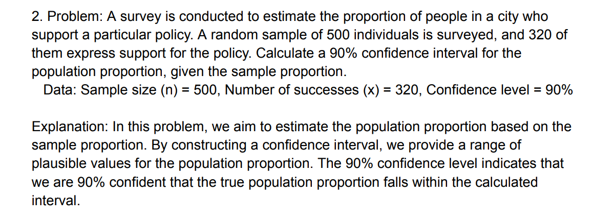

 | sample size ( n ) | 500
 | number of successess(x) | 320
 | confidence leval | 90%

 | p^ | 0.64
 | q^ | 0.36
 | standerd error | 0.21466
 | z score | 1.645
 | standerd error * z score * | 0.035312

 | lower limit | 0.6047
 | upper limit | 0.6753

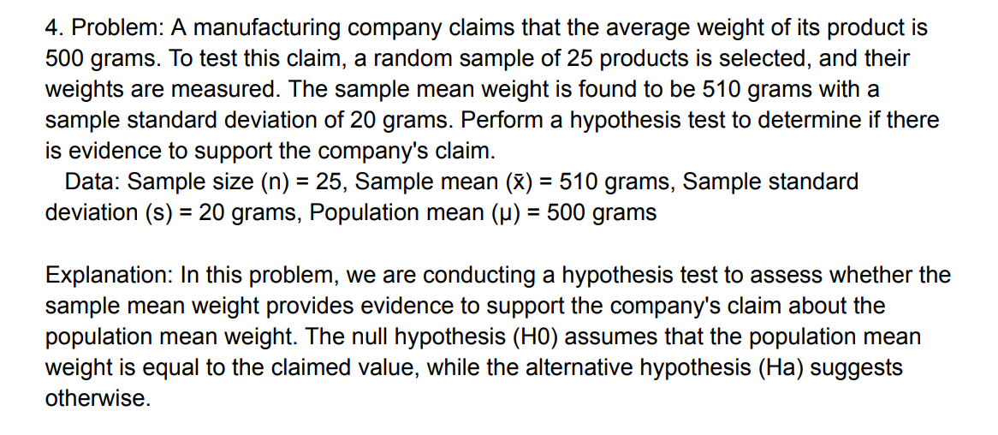
 | Hypothesis Testing Problems:

 | sample size ( n ) | 25
 | sample mean | 510gram
 | sample standard deviation | 20gram
 | population mean | 500gram

 | s√n | 4
 | t calculate | 2.5

